1. Title Page
[Project Name]

Project Name: Instacart Grocery Basket Analysis
Date: May 2025
Analyst Name: Nastaran Barandsih

Contents:
Population Flow
Consistency checks
Wrangling steps
Column derivations
Visualizations
Recommendations

Data Citation:
“The Instacart Online Grocery Shopping Dataset 2017”

2. Population Flow
 |  |  | Title page

Population flow

Exclusion flag
Condition: max_order < 5
Obervations to be removed: 1440295
Final total count of order_products_all: 32404859

Orders_products_combined
Orders_products_merged
Orders_products_all

Total:
Total:
Total:
32434489 | 32404859 | 32404859

1.) The grey boxes in the first row of the population flow represent the original data sets as they were when you downloaded them. In the Total fields you need to add the count of the rows when you imported the data set into Jupyter.
2.) The second row of boxes (coloured) represents the data sets after you manipulated them, e.g., removed missing values and duplicates. In the Total fields you need to add the count of the rows after conducting these operations. This offers a visual oveview of how the data flows throughout the data consistency checks.
3.) The third row, where also the arrows are coloured, represents the merges you performed between the datasets. In the Total fields you need to add the count of the rows in the merged datasets, so that you end up with the final dataset (in the red box). Keep in mind the final dataset should be without exclusions (based on the exclusion flag).

3. Consistency checks
 |  |  |  | Title page
Consistency checks

Dataset | Missing values | Missing values treatment | Duplicates
orders | The column days_since_prior_order has 206,209 missing values | No action | No duplicate
products | 16 missing values in product_name | Removed | 5 duplicated were found
orders_products_prior | No missing values | No action | No duplicate
customers | 11259 missing values in first name | No action | No duplicate

4. Wrangling steps
 |  |  |  | Title page
Wrangling steps

Columns dropped | Columns renamed | Columns' type changed | Comment/Reason
eval_set |  |  | No need
 | order_dow to orders_day_of_the_week |  | Better understanding
 | surname to Last Name |  | Better understanding
 |  | order_id | To string
 |  | order_number | To string

5. Column derivations
 |  |  |  | Title page

Column derivations and aggregations

In this tab you should add tables below that the frequences of flags/label variables that you produced after deriving them. NB: don't do this for continuous variables, only for flags.
Dataset | New column | Column/s it was derived from | Conditions
ords_prods_merge | price_range | prices | If prices <= 5 then 'Low-Range product'
 |  |  | If prices >5 & <= 15 then 'Mid-range product'
 |  |  | If prices > 15 then 'High-range product'
 |  |  | else 'Not enough data'
ords_prods_merge | Busiest_day | orders_day_of_the_week | If value == 0 or value == 1 then 'Busiest days'
 |  |  | If value == 3 or value == 4 then 'Least busy'
 |  |  | else: ("Fewest orders")
ords_prods_merge | busiest_period_of_day | order_hour_of_day | if value == 10 or value == 11 or value == 14 or value == 15 or value == 13 or value == 12 or value == 16 or value == 9: then ("Most orders")
 |  |  | if value == 17 or value == 8 or value == 18 or value == 19 or value == 20 or value == 7 or value == 21 or value == 22: then ("Average orders")
 |  |  | else: ("Fewest orders")
ords_prods_merge | loyalty_flag | max_order | ['max_order'] > 40, 'loyalty_flag'] = 'Loyal customer'
 |  |  | ['max_order'] <= 40) & ['max_order'] > 10), 'loyalty_flag'] = 'Regular customer'
 |  |  | ['max_order'] <= 10, 'loyalty_flag'] = 'New customer'
ords_prods_merge | spender_flag | average_spend | ['average_spend']<10,'spender_flag']='Low_spender'
 |  |  | ['average_spend']>= 10, 'spender_flag'] = 'High_spender'
ords_prods_merge | frequency_flag | Customer_frequency | ['Customer_frequency'] > 20, 'frequency_flag'] = 'Non_frequent_customer'
 |  |  | ['Customer_frequency']>10) & (ords_prods_merge['Customer_frequency']<=20),'frequency_flag'] = 'Regular customer'
 |  |  | ['Customer_frequency'] <= 10, 'frequency_flag'] = 'Frequent Customer'
df | region | STATE | All the state organized in 4 regions.
df | activity_flag | max_order | ['max_order'] < 5, 'activity_flag'] = 'Low_activity'
 |  |  | ['max_order'] >= 5, 'activity_flag'] = 'High_activity'
Updated_df | Age Group | Age | ['Age'] <= 25, 'Age Group'] = 'Young'
 |  |  | ['Age'] > 25 & ['Age'] <= 64), 'Age Group' = 'Adults'
 |  |  | ['Age'] > 64, 'Age Group'] = 'Senior'
Updated_df | Income Group | income | ['income'] <= 90000, 'Income Group'] = 'Low'
 |  |  | ['income'] > 90000) & ['income'] <= 130000), 'Income Group'] = 'Middle'
 |  |  | ['income'] > 130000, 'Income Group'] = 'High'
Updated_df | dependents_flag | Number_of_Dependents | ['Number_of_Dependents'] <1, 'dependents_flag'] = 'Single'
 |  |  | ['Number_of_Dependents'] >= 1, 'dependents_flag'] = 'Parent'

6. Visualizations
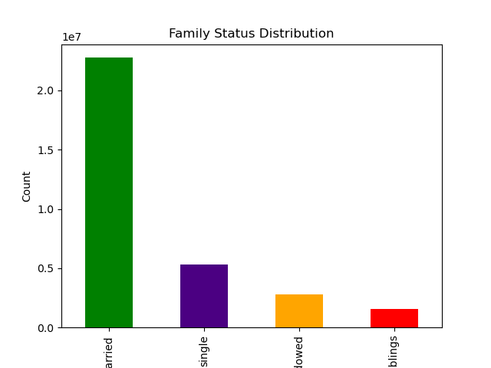
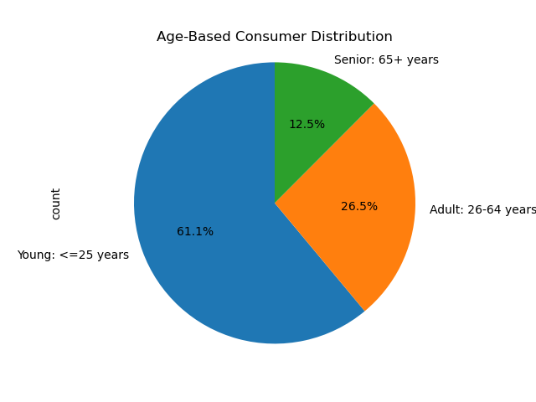
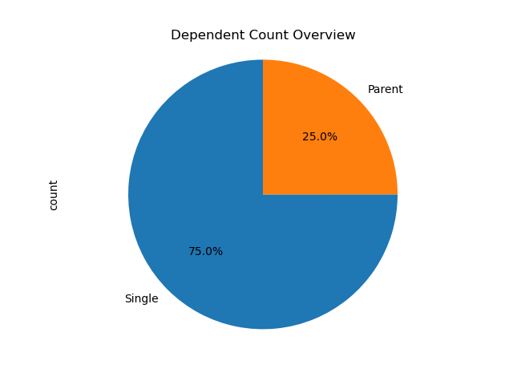
 |  | Title page

Visualisations

In this tab you should include all the visualtions from Exercises 4.9 and 4.10, alongside the questions from the project brief that they answer. Include any commentary on the relationship between different variables.

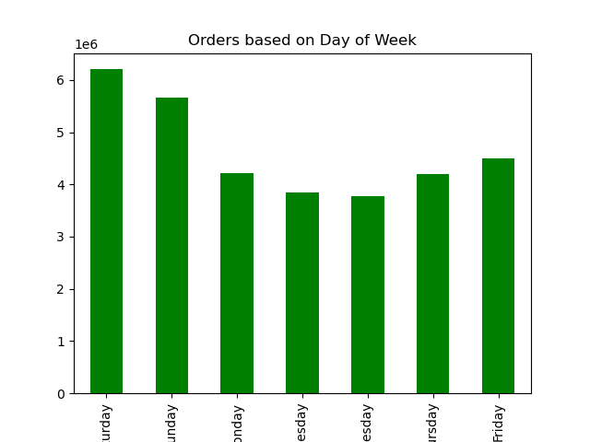
Q) What the busiest days of the week and hours of the day are? | Answer: The busiest days for orders are Monday and Sunday, while the peak ordering hours occur around noon to early afternoon. This suggests customers tend to shop at the beginning of the week and midday, possibly for meal planning or convenience.

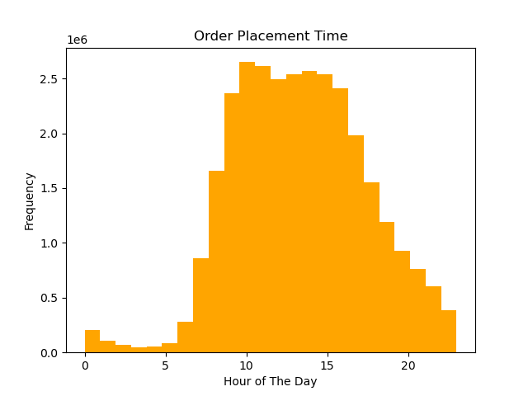

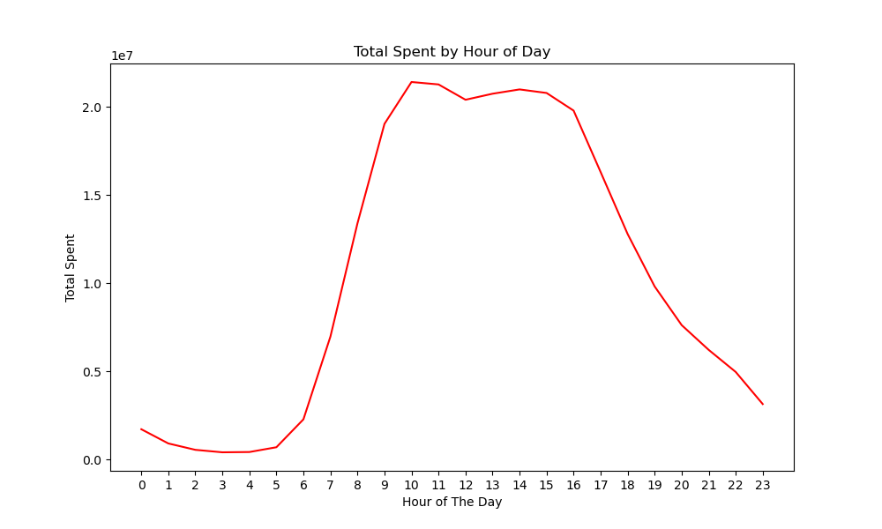
Q) Are there particular times of the day when people spend the most money? | Answer: The chart shows that spending peaks between 9 AM and 3 PM, indicating midday is the busiest shopping period.

Q) What’s the distribution among users in regards to their brand loyalty ? | Answer: The chart shows that adults have the highest loyalty, followed by seniors, while young customers have the lowest engagement. This highlights the importance of retention strategies for different age groups.
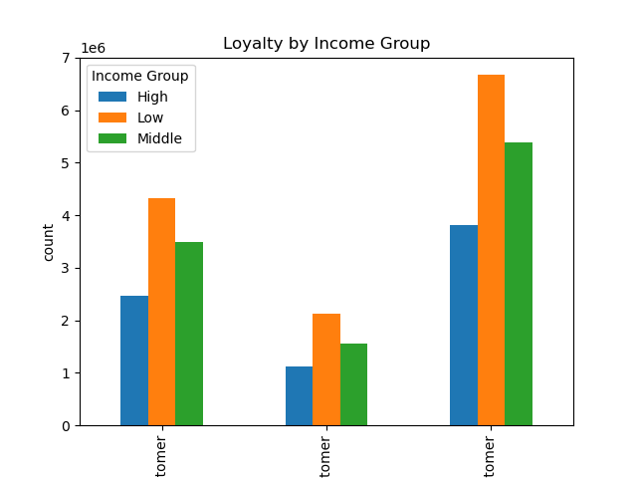
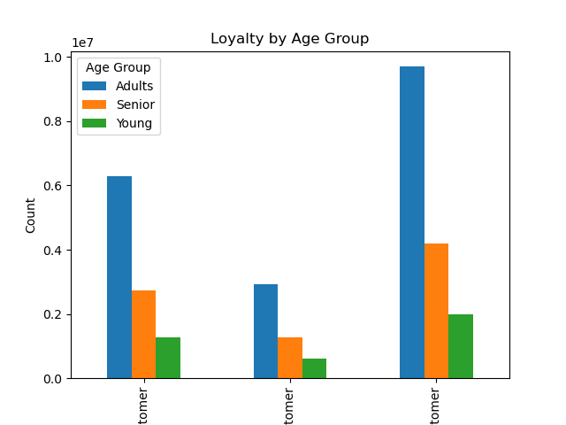

Q) Are there differences in ordering habits based on a customer’s region? | Answer: Ordering habits vary by region. The bar chart "Department Sales by Region" shows distinct product preferences across different areas, indicating regional differences in shopping behavior.
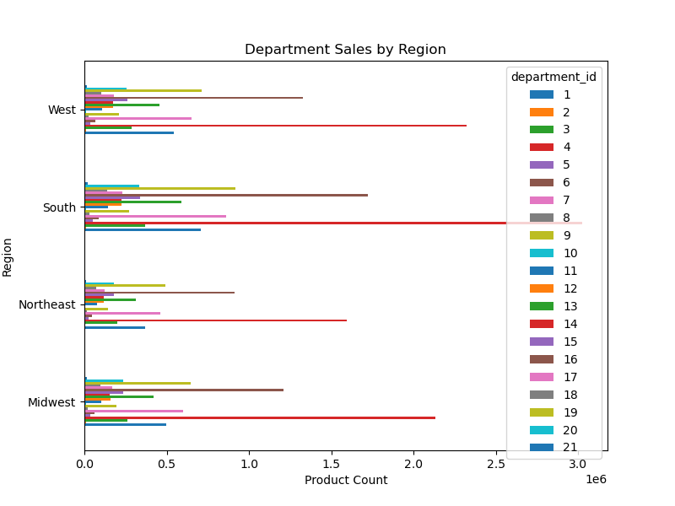

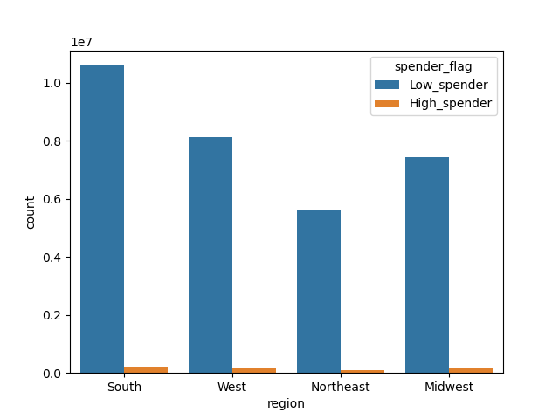
Q) Are there differences in spending habits based on a customer’s region? | Answer: The bar chart shows that low spenders dominate across all regions, with the South having the highest count, followed by the West, Midwest, and Northeast. High spenders are significantly fewer in number across all regions, indicating a consistent spending pattern nationwide.

Q) What’s the distribution among users in regards to their brand loyalty (i.e., how often do they return to Instacart)?
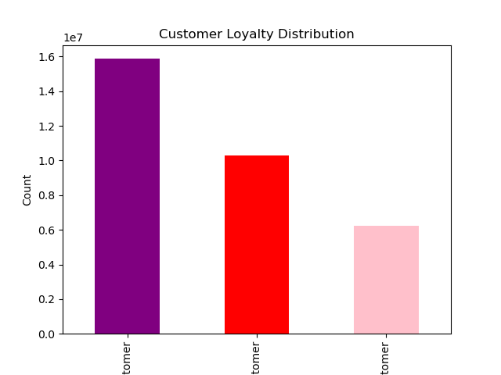
 | Answer: This chart shows Instacart’s user loyalty distribution: Regular customers: ~15M Loyal customers: ~10M New customers: ~5M This suggests a strong repeat customer base.

Q) What different classifications does the demographic information suggest? Age? Income? Certain types of goods? Family status?

 | Answer: These classifications indicate that a majority of users are young and single, with fewer dependents. This could influence purchasing habits, such as a preference for convenience-focused products or smaller grocery orders.

7. Recommendations
 |  |  | Title page

Recommendations

In this tab you should include any recommendations you would made to Instcart in terms of their marketing strategy based on the questions posed in the brief. Every key question has been covered in the Tasks of the Exercises - here you need to add an item - a visualisation or table/crosstable that is showing the answer in the data, acompanied by a comment from you. Please, list the questions below and add the answer underneath.

Question | Answer | Recomendation
What the busiest days of the week and hours of the day are? | The busiest days for orders are Monday and Sunday, while the peak ordering hours occur around noon to early afternoon. This suggests customers tend to shop at the beginning of the week and midday, possibly for meal planning or convenience. | To capitalize on peak shopping times, here are a few recommendations: Boost Promotions on Sundays & Mondays: Offer targeted discounts or exclusive deals to encourage even more orders Optimize Noon to Early Afternoon Operations: Ensure faster delivery, better inventory management, and efficient customer support during peak hours. Pre-Scheduled Shopping Options: Encourage customers to plan their weekly orders in advance for smoother fulfillment. Personalized Reminders: Send timely notifications or emails suggesting meal planning deals or grocery restocks.
Are there particular times of the day when people spend the most money? | The chart shows that spending peaks between 9 AM and 3 PM, indicating midday is the busiest shopping period. | To maximize revenue during peak spending hours (9 AM – 3 PM), here are some recommendations: Exclusive Midday Deals: Offer limited-time discounts or bundle promotions to drive more purchases. Optimized Staffing: Ensure sufficient customer support and fulfillment capacity to handle peak demand smoothly. Targeted Ads & Notifications: Send personalized promotions right before peak hours to encourage shopping. Efficient Checkout Process: Streamline transactions to prevent cart abandonment during peak times.
What’s the distribution among users in regards to their brand loyalty ? | The chart shows that adults have the highest loyalty, followed by seniors, while young customers have the lowest engagement. This highlights the importance of retention strategies for different age groups. | To improve brand loyalty across different age groups, consider these strategies: Boost Engagement for Younger Customers: Introduce gamified rewards, exclusive discounts, and social media-driven campaigns to increase their retention. Maintain Loyalty Among Adults & Seniors: Personalized offers, seamless service, and strong customer support can reinforce their commitment. Create Tiered Loyalty Programs: Offer incentives based on purchase history to encourage long-term engagement for all demographics. Targeted Marketing: Use data-driven insights to tailor promotions based on age-related shopping behaviors.
Are there differences in ordering habits based on a customer’s region? | Ordering habits vary by region. The bar chart "Department Sales by Region" shows distinct product preferences across different areas, indicating regional differences in shopping behavior. | To tailor strategies based on regional ordering habits, consider these recommendations: Localized Promotions: Offer discounts on popular regional products to boost engagement. Inventory Optimization: Stock high-demand items based on regional preferences to reduce shortages. Targeted Advertising: Customize marketing campaigns to highlight products favored in specific areas. Regional Partnerships: Collaborate with local suppliers to enhance availability of regionally preferred goods.
Are there differences in spending habits based on a customer’s region? | The bar chart shows that low spenders dominate across all regions, with the South having the highest count, followed by the West, Midwest, and Northeast. High spenders are significantly fewer in number across all regions, indicating a consistent spending pattern nationwide. | To address regional spending patterns, consider these strategies: Encourage Upselling in Low-Spending Regions: Bundle deals, targeted promotions, and personalized recommendations can help increase basket sizes. Regional Discounts & Loyalty Perks: Offer region-specific incentives to drive higher spending in areas with lower purchase totals. Tailor Product Offerings: Adjust inventory to match demand patterns, ensuring high-value items are marketed effectively in each region. Localized Marketing Campaigns: Use regional trends to create compelling advertisements that resonate with local shopping behaviors.
What’s the distribution among users in regards to their brand loyalty (i.e., how often do they return to Instacart)? | This chart shows Instacart’s user loyalty distribution: Regular customers: ~15M Loyal customers: ~10M New customers: ~5M This suggests a strong repeat customer base. | To strengthen brand loyalty, consider these strategies: Enhance Engagement for New Customers: Personalized onboarding, first-time discounts, and targeted promotions can encourage repeat use. Reward Regular & Loyal Customers: Tiered loyalty programs, exclusive perks, and subscription benefits can maintain their commitment. Improve Convenience & Experience: Faster delivery, seamless app experience, and customer service excellence can boost retention. Data-Driven Personalization: Use insights to offer tailored recommendations, reminders, and promotions based on shopping habits.
What different classifications does the demographic information suggest? Age? Income? Certain types of goods? Family status? | These classifications indicate that a majority of users are young and single, with fewer dependents. This could influence purchasing habits, such as a preference for convenience-focused products or smaller grocery orders. | To better cater to young, single customers with fewer dependents, consider these strategies: Emphasize Convenience: Promote ready-to-eat meals, single-serving products, and quick delivery options. Offer Budget-Friendly Bundles: Provide cost-effective grocery bundles tailored to solo shoppers. Targeted Marketing: Use digital ads and influencer partnerships that appeal to younger audiences. Subscription & Loyalty Incentives: Create rewards for frequent purchases and subscription-based discounts.

